Boxplots_ANOVA_ng-mg
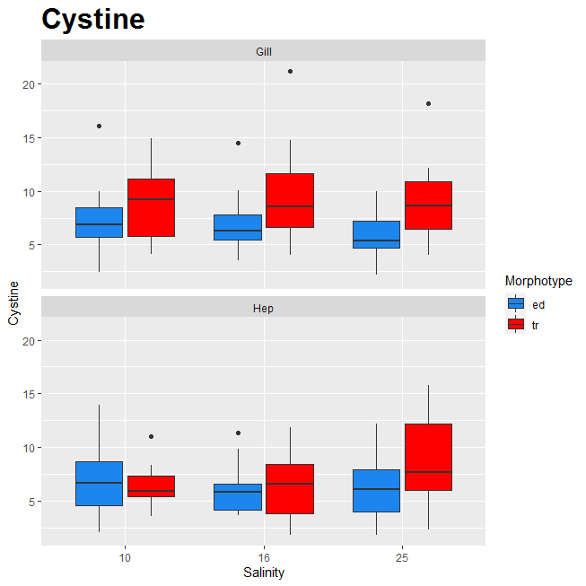
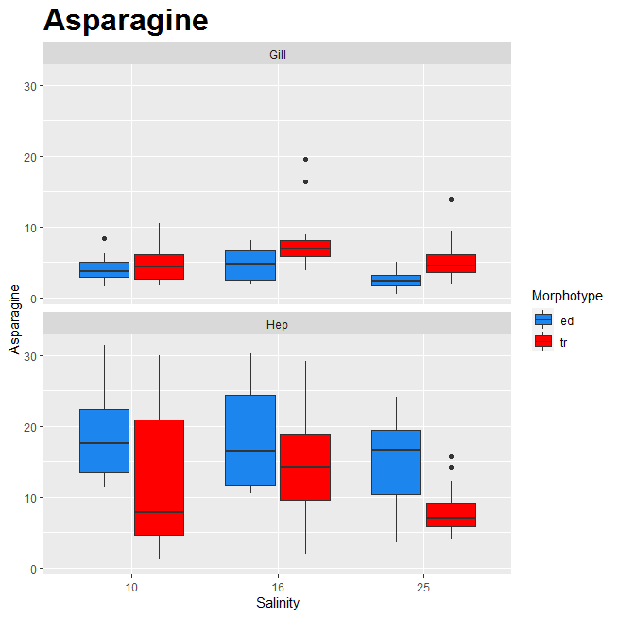
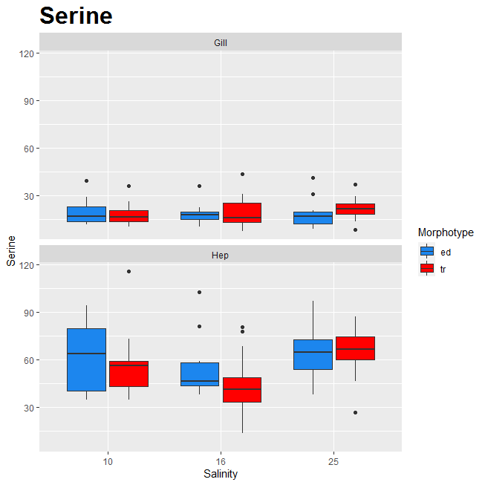

 | Признак оксидативного стресса.

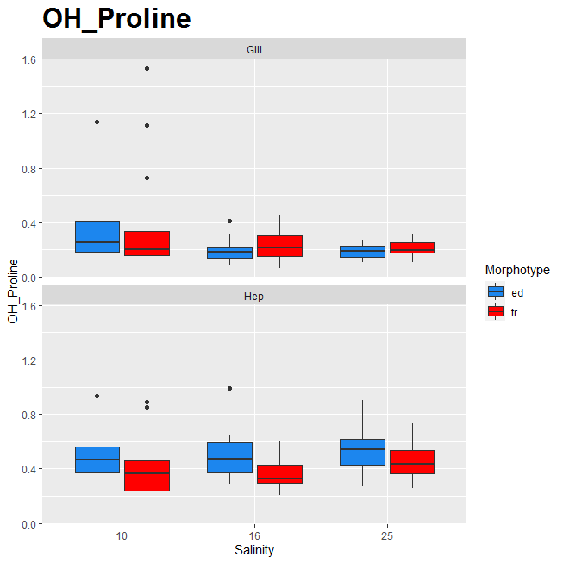
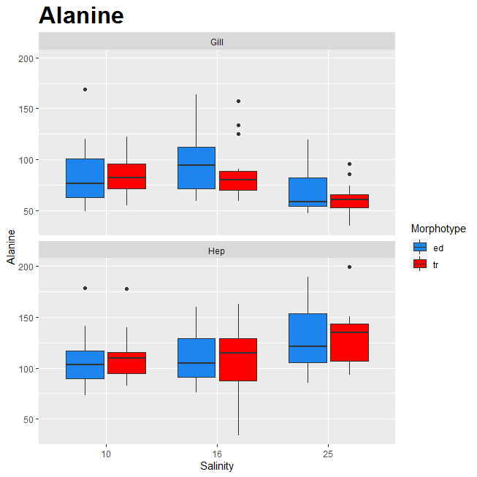
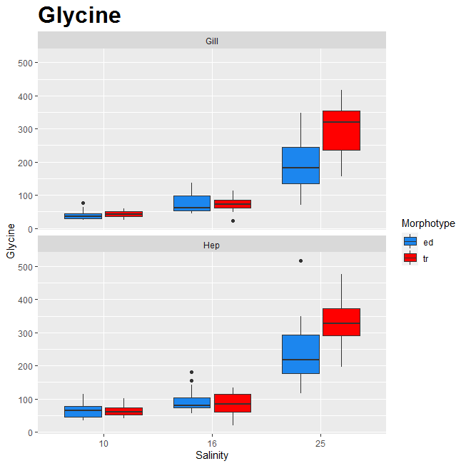

Может служить признаком перехода на анаэробный обмен. Смотреть с аспартатом и сукцинатом.

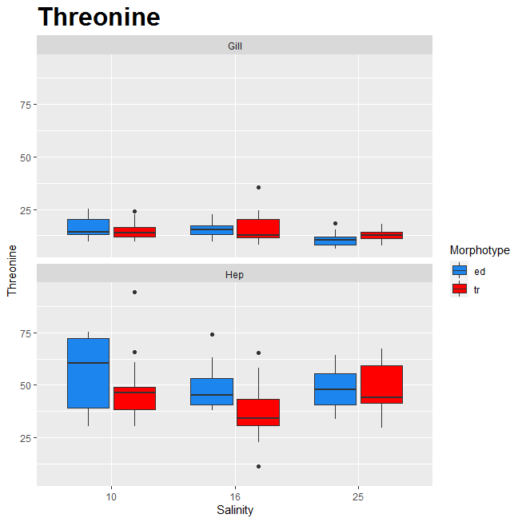
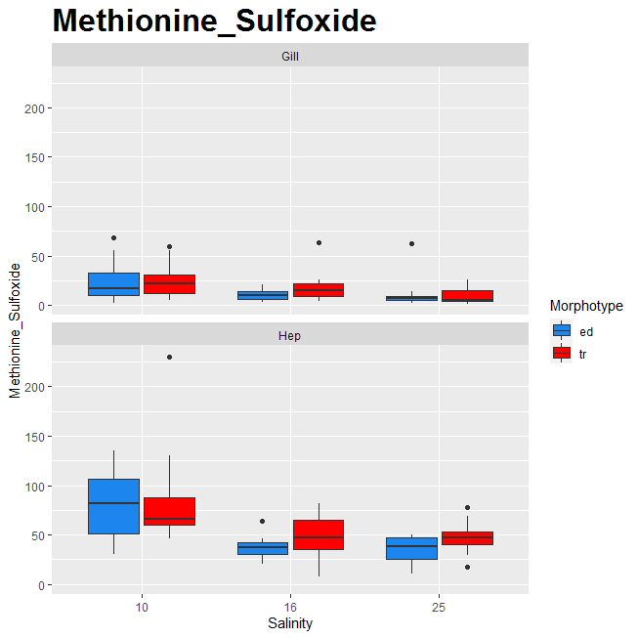

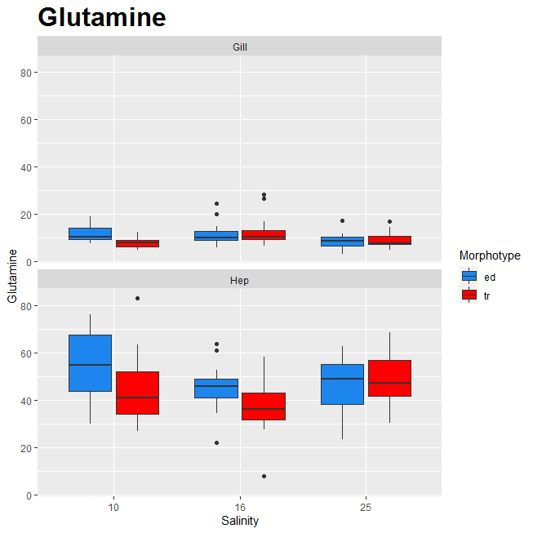

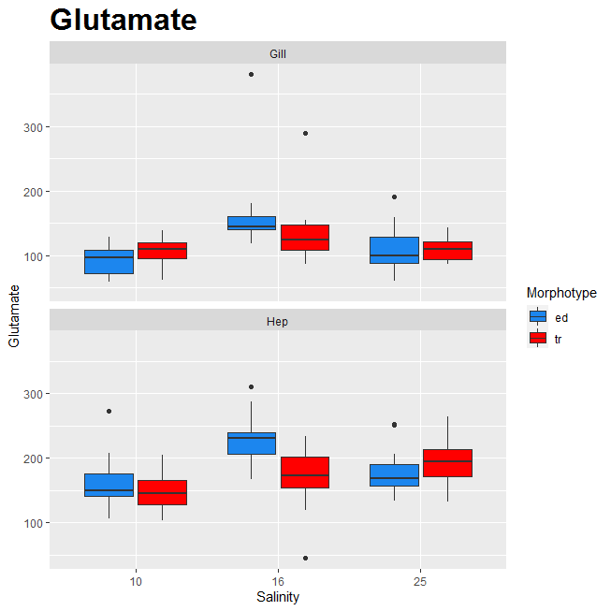
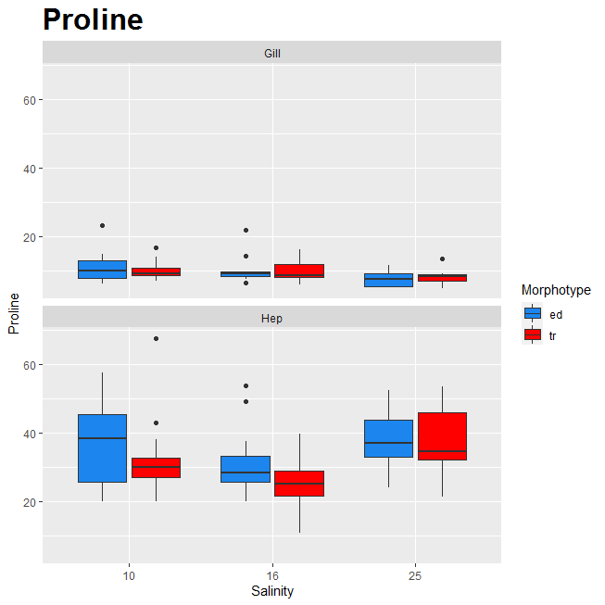
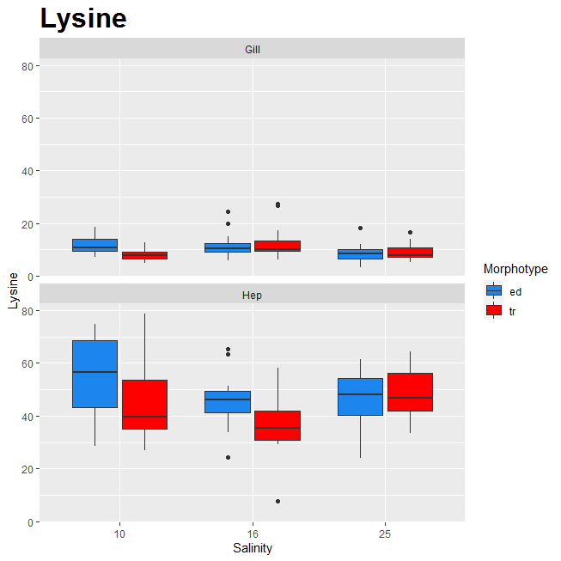

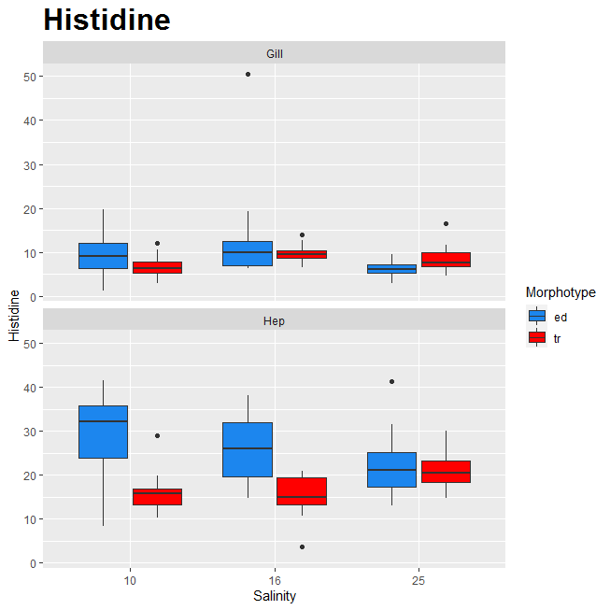
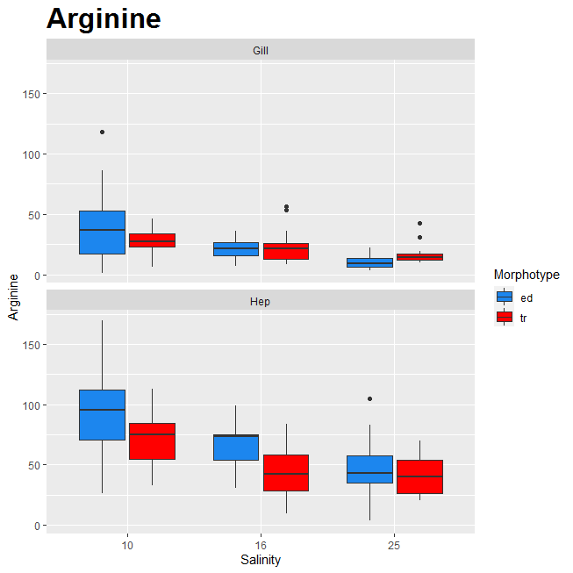

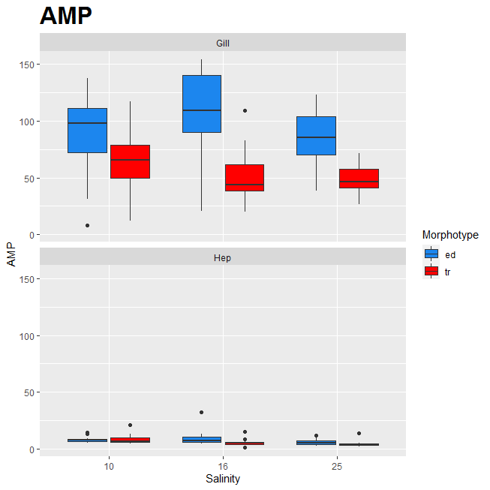

 |  |  | Замедляется цикл мочевины?

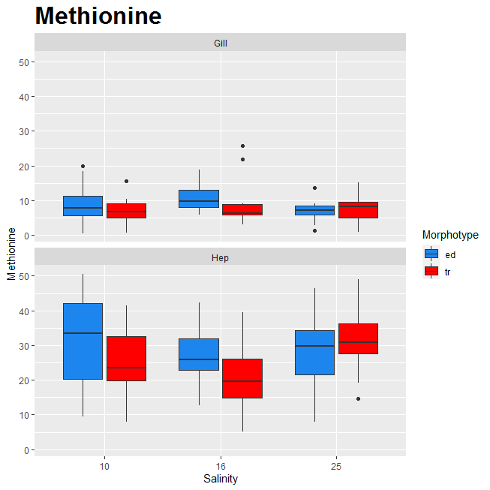
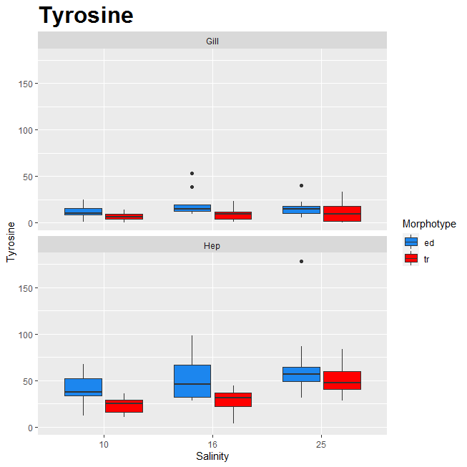
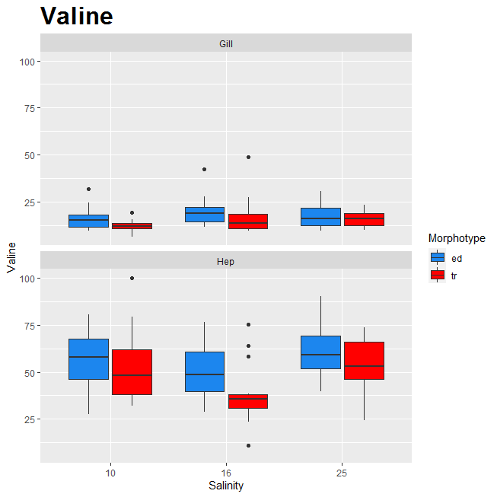

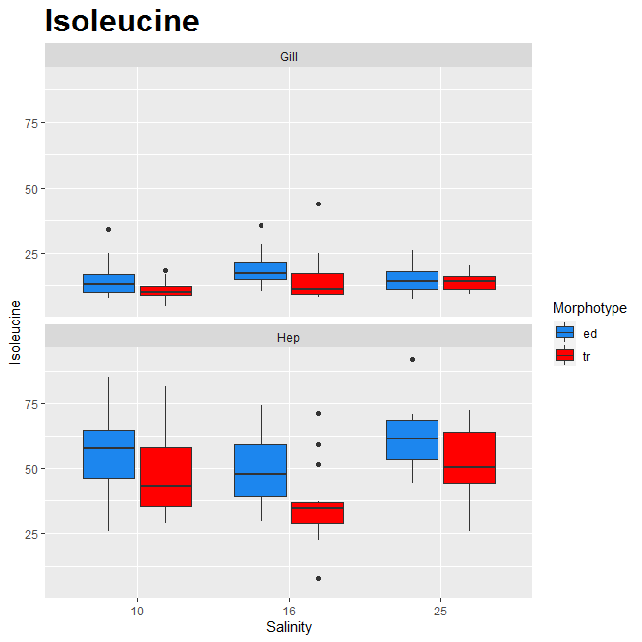
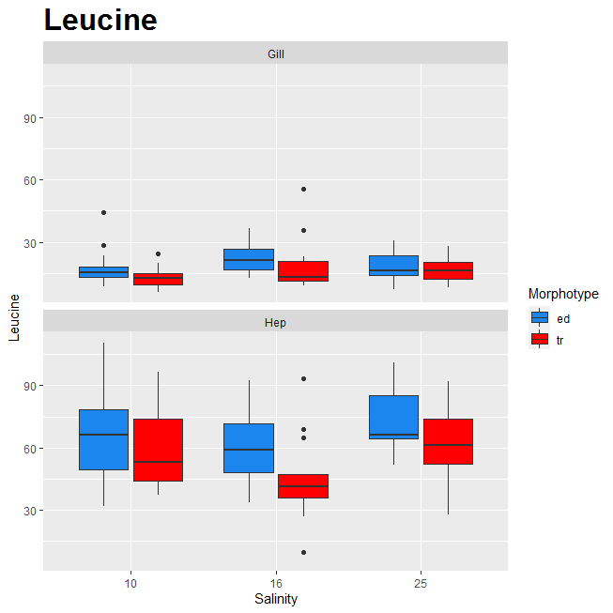
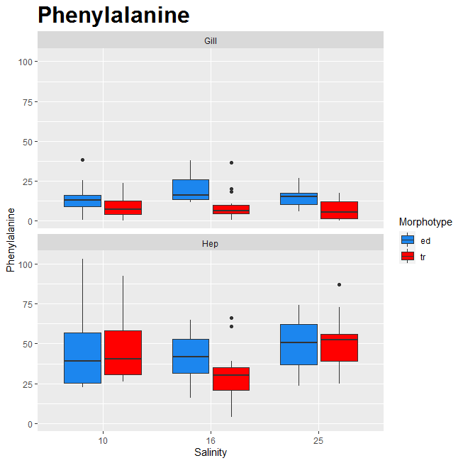

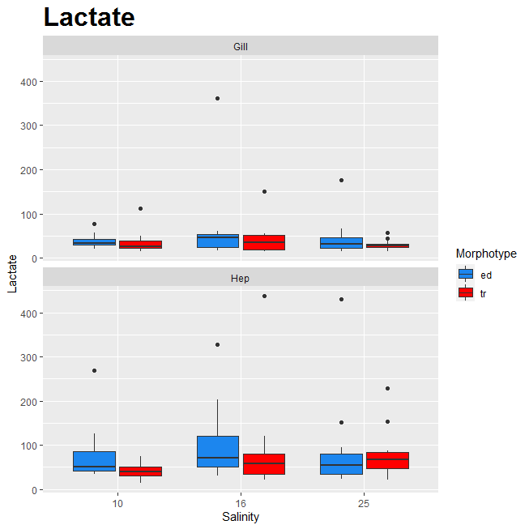
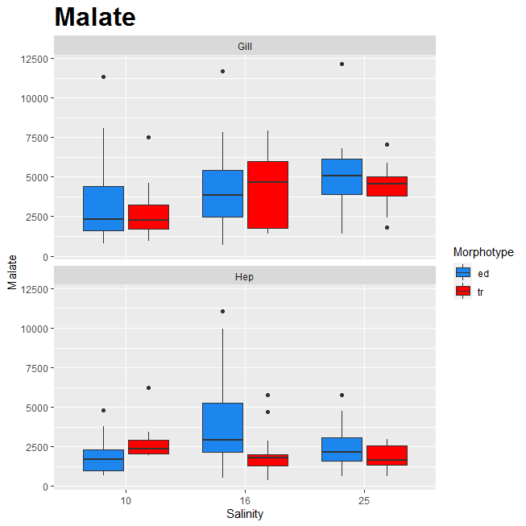
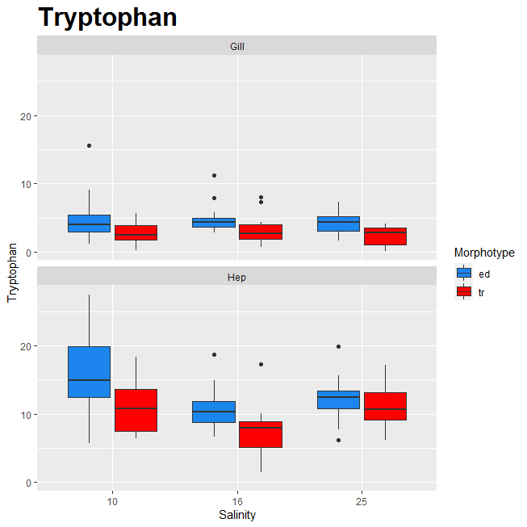

 |  |  | Детоксификация карбонилов при гликолизе. Но это не тот лактат (что бы это ни значило).

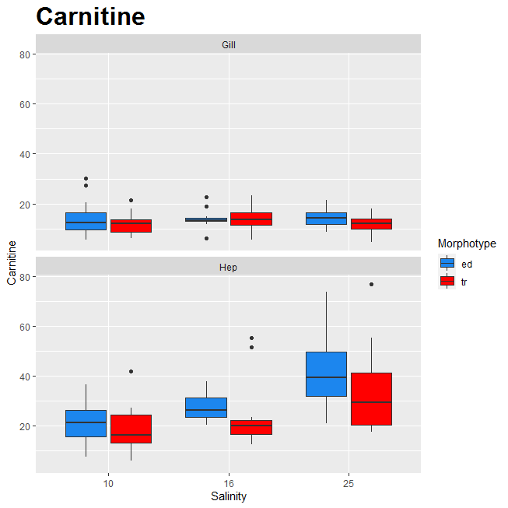
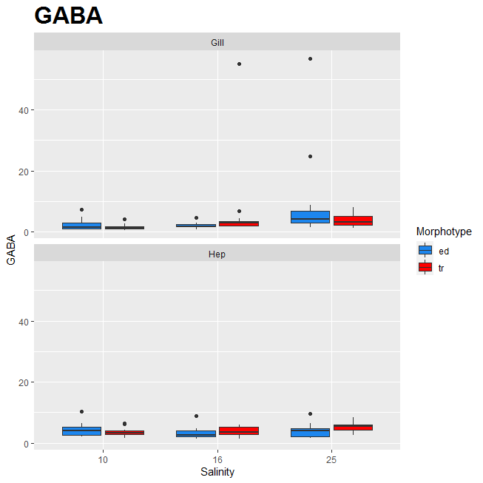
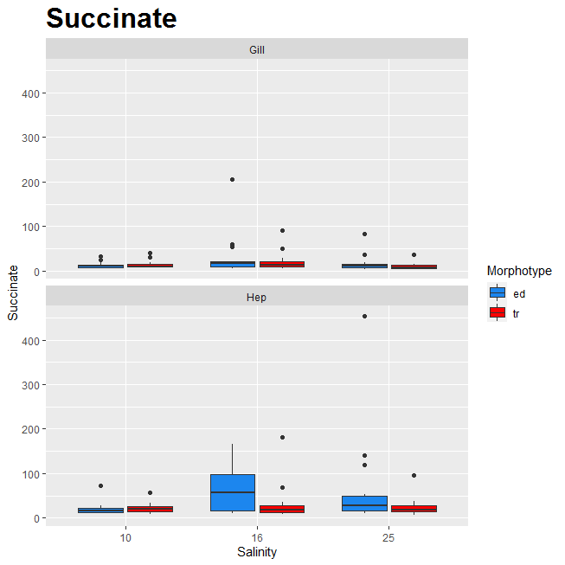

 |  |  | Не осмолит. Транпорт жирных кислот в митохондриях. Больше карнитина - быстрее работали мито

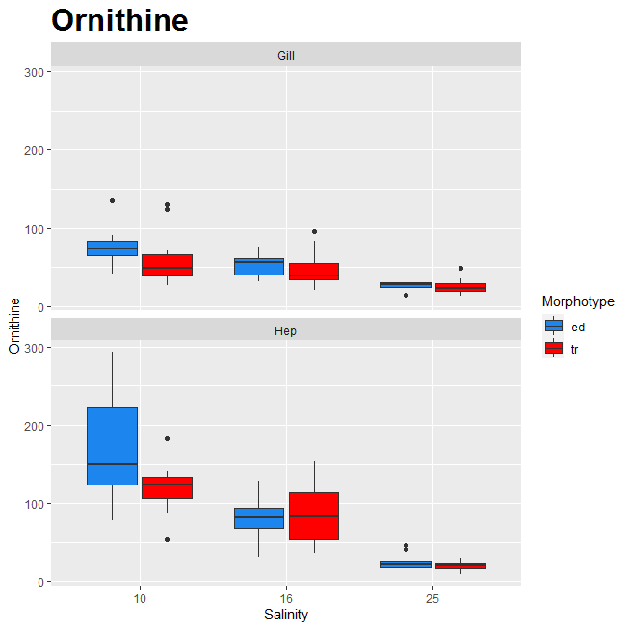
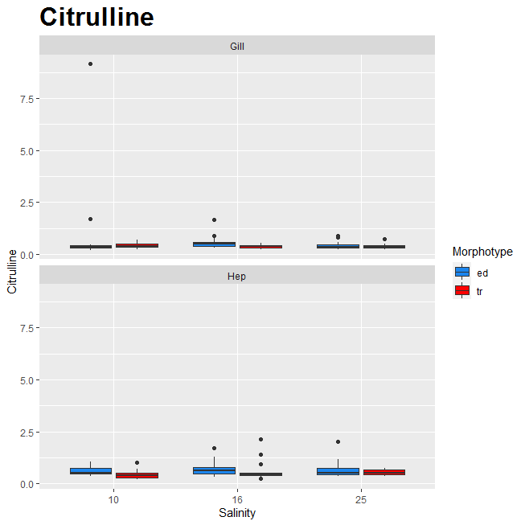
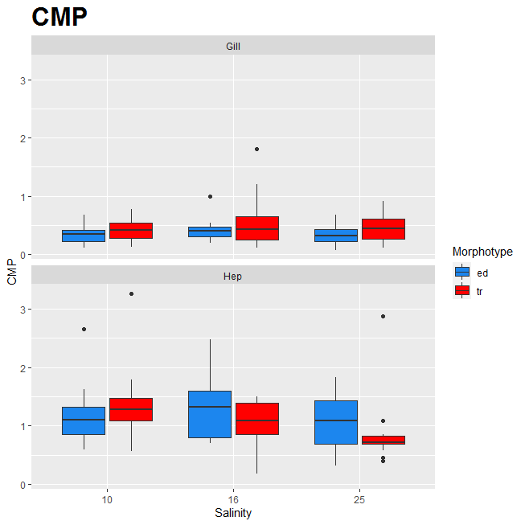

 | Относится к циклу мочевиновой кислоты. | Относится к циклу мочевиновой кислоты.

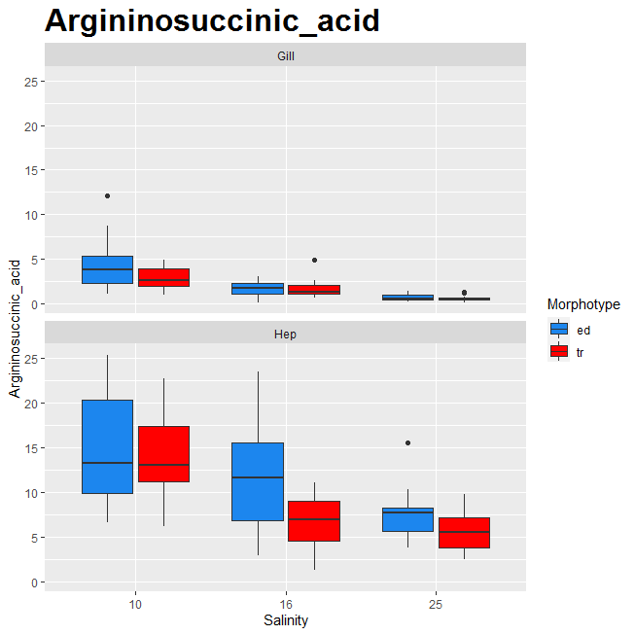
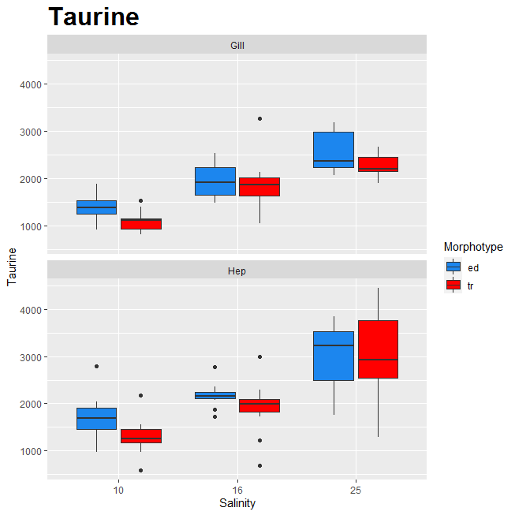
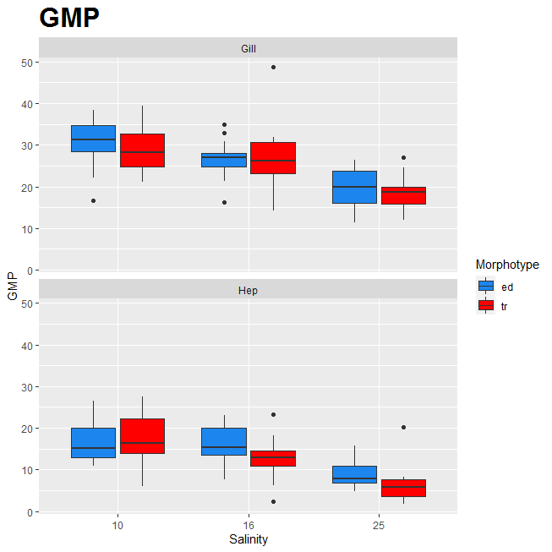

 |  | Относится к циклу мочевиновой кислоты.
 |  |  | Митохондриальный протектор. Осмолит

Boxplots_ANOVA_moles
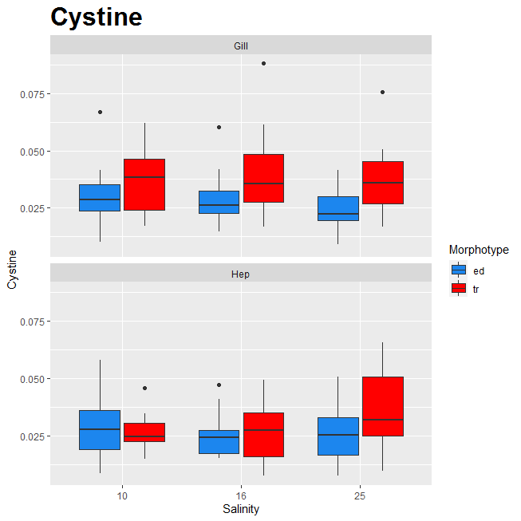

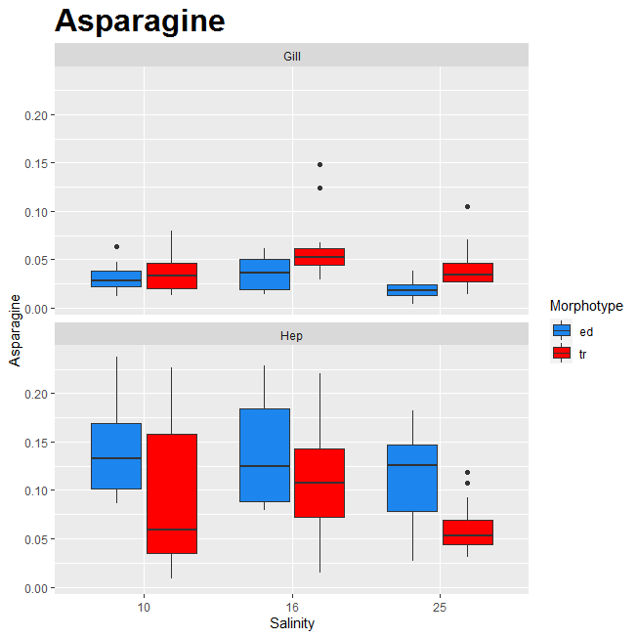



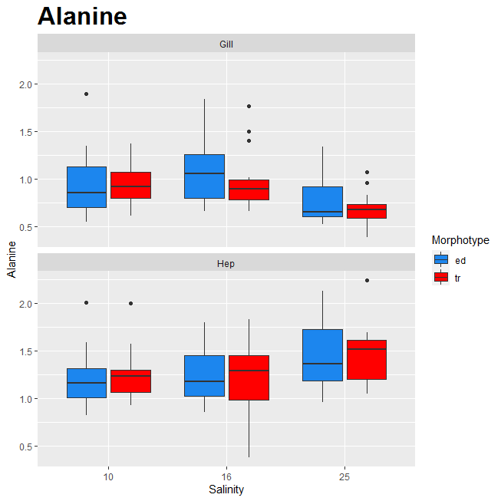

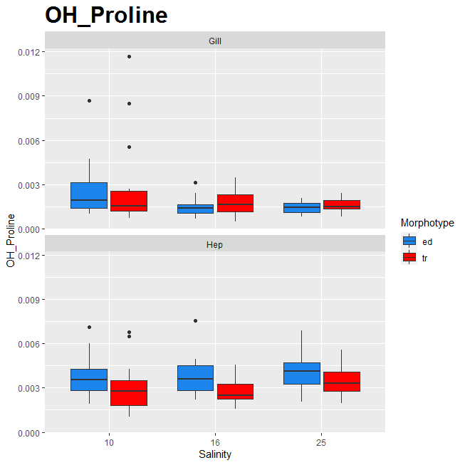

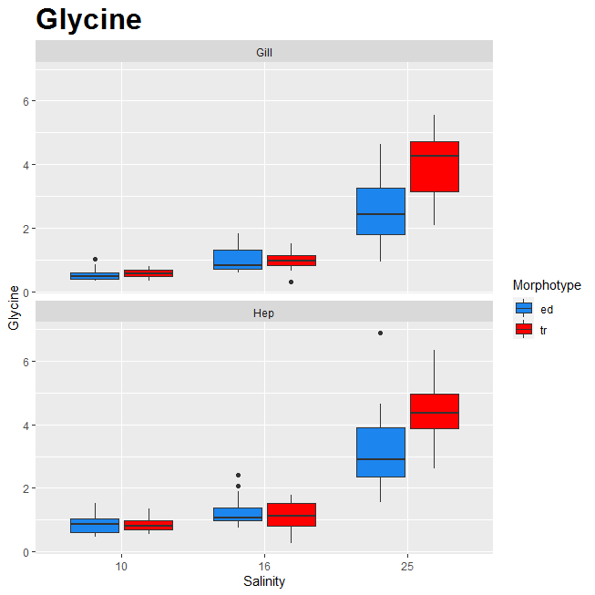









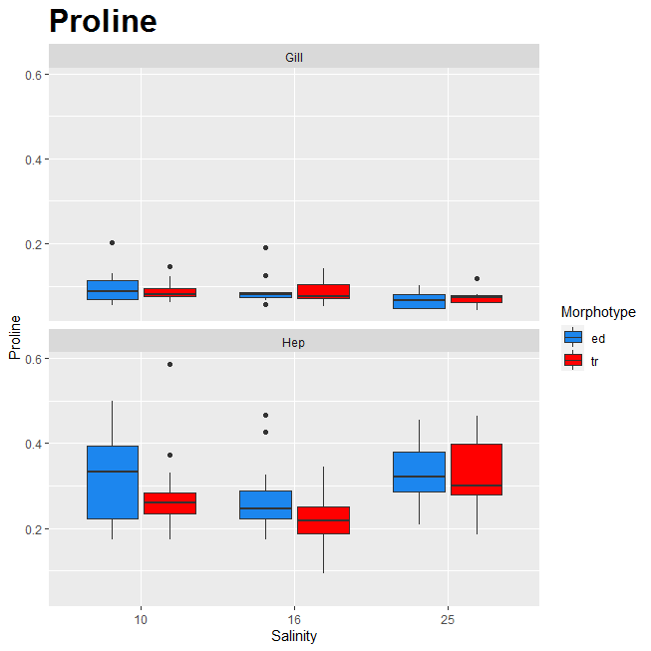

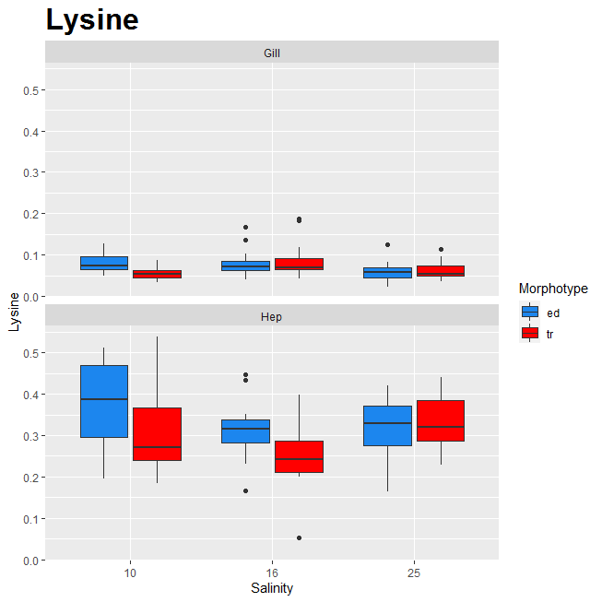





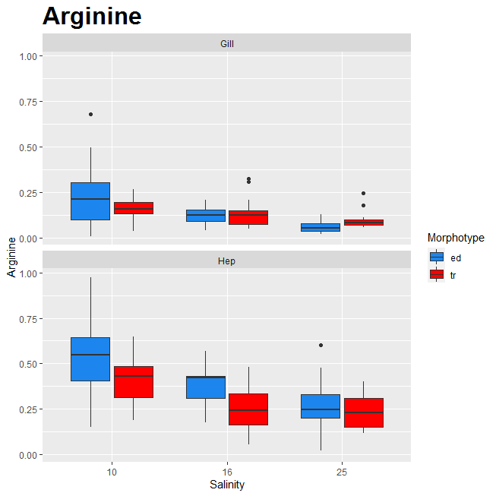

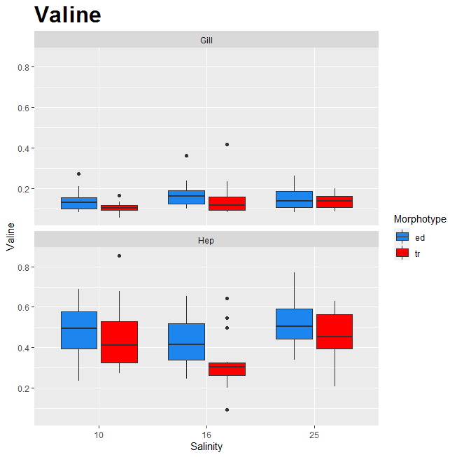



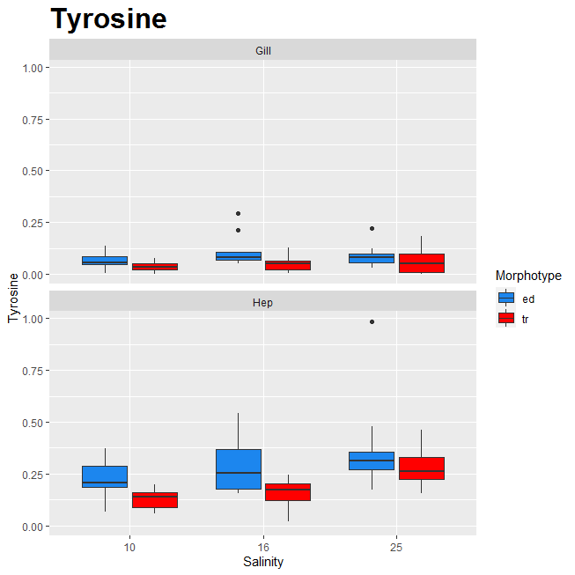



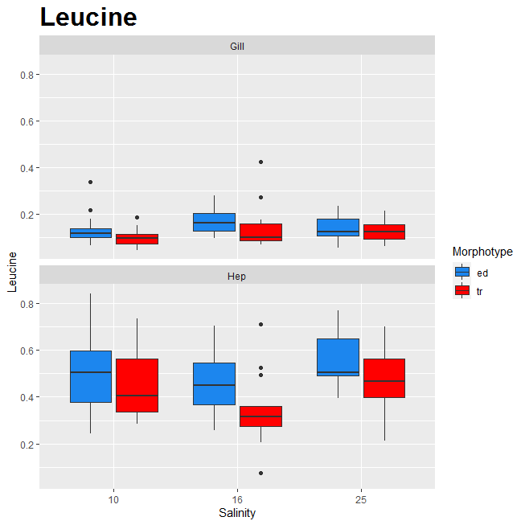



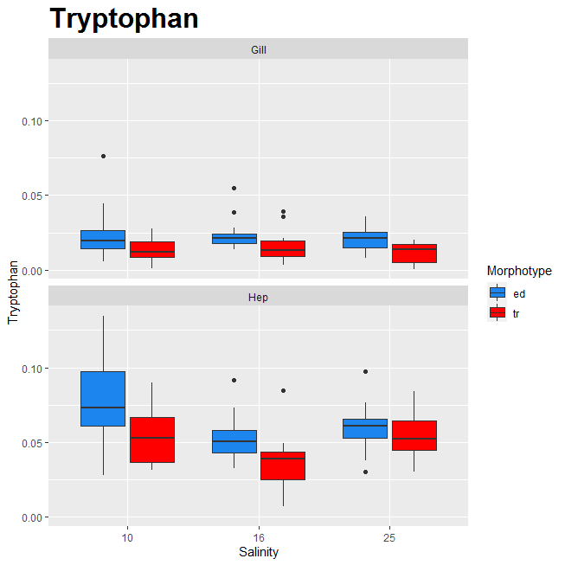

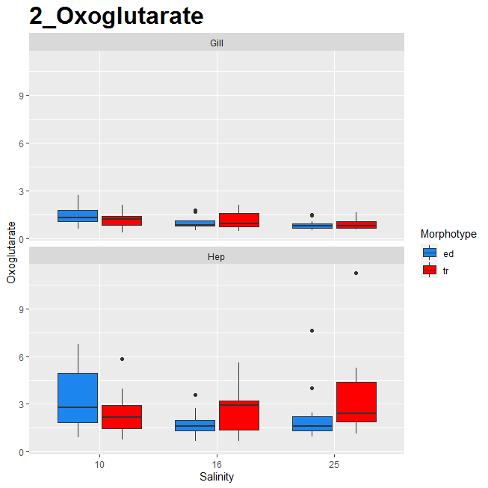

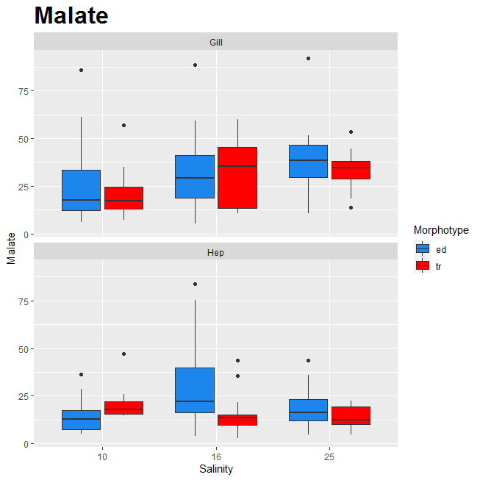

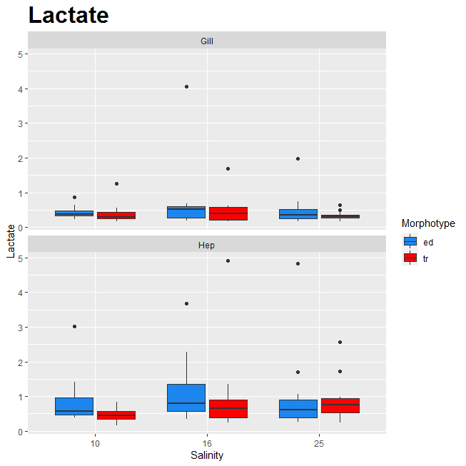

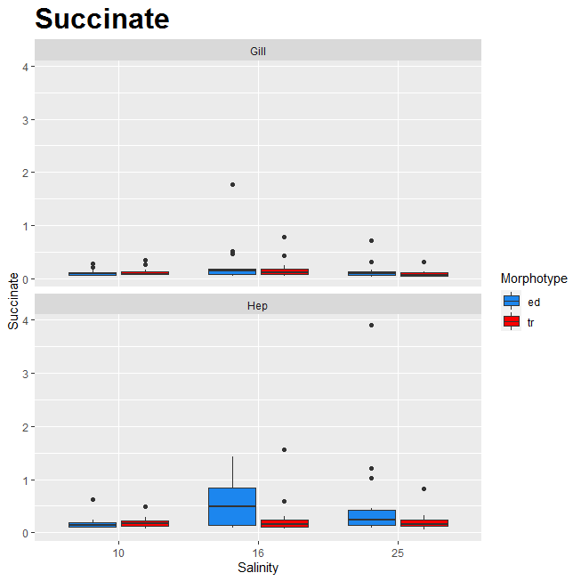

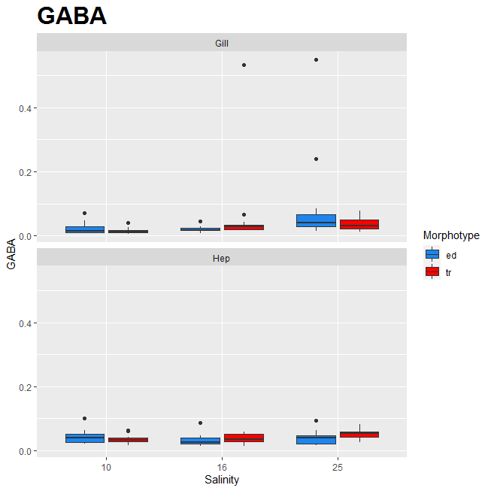















MDS


Жабры
хорошая ординация
stress = 0,07
method Bray-Curtis

Гепатопанкреас
неплохая ординация
stress = 0,10
method Bray-Curtis

PCA_hep



PC1 | PC2 | PC3 | PC4 | Substance
0.12615363282 | -0.051531795176 | 0.14847067679 | -0.28430239154 | Cystine
0.17342488727 | 0.16589424782 | -0.0095089607441 | 0.0033192809413 | Asparagine
0.091116839203 | -0.28763790911 | -0.048486043631 | -0.11195980781 | Aspartate
0.25915150402 | -0.061409892077 | -0.026704814301 | -0.11581811177 | Serine
0.15870163546 | -0.1854658865 | -0.22599453776 | 0.091788563579 | Alanine
0.085827187373 | -0.073627367871 | -0.29212841965 | 0.19703119822 | OH_Proline
0.071108474887 | -0.35397987841 | 0.10073435396 | 0.057869036411 | Glycine
0.26145102386 | 0.066993039637 | 0.042209451726 | -0.065851527502 | Glutamine
0.27684922889 | 0.03866269693 | -0.057003480687 | -0.098874346434 | Threonine
0.13722154234 | 0.21090287002 | 0.016710437379 | -0.2328339231 | Methionine_Sulfoxide
0.14729577311 | -0.17145577248 | -0.17567864583 | 0.084655656107 | Glutamate
0.25211082716 | -0.098560962059 | -0.081438252377 | -0.10465415356 | Proline
0.26491940367 | 0.071999395052 | 0.042788910327 | -0.065457236575 | Lysine
0.18444641406 | 0.063002257568 | -0.021766548165 | 0.1841494811 | Histidine
0.049495869587 | 0.10449466819 | -0.30543784971 | 0.13705751559 | AMP
0.16273675339 | 0.26355002773 | 0.078072859077 | -0.012728720972 | Arginine
0.28141814872 | -0.011505921944 | 0.034097483834 | 0.0065157319637 | Valine
0.23188013811 | 0.034041098563 | 0.23182992549 | -0.032662958351 | Methionine
0.1396104558 | -0.13011889269 | 0.10159775231 | 0.36116571732 | Tyrosine
0.27020533021 | -0.0036170467244 | 0.09948357485 | 0.1155728402 | Isoleucine
0.27425353909 | 0.0055982772399 | 0.13212540432 | 0.0684802483 | Leucine
0.22123871198 | 0.026596065226 | 0.22733345375 | 0.041151591215 | Phenylalanine
0.20446087136 | 0.1431240273 | 0.14953998223 | 0.19740997682 | Tryptophan
0.10544673095 | -0.096910009228 | -0.25874271364 | -0.36216740993 | Oxoglutarate



-0.012910025069 | 0.073778946591 | -0.0023536257476 | 0.4629751243 | Malate
0.087968027741 | -0.058522790355 | -0.10132479419 | 0.034112714476 | Lactate
-0.03798897234 | -0.10173244292 | -0.11913458592 | 0.29251333008 | Succinate
0.039462482252 | -0.1638075829 | -0.22338022627 | -0.11985940335 | GABA
0.066785927177 | -0.26778986 | -0.14265202671 | -0.0055292998893 | Carnitine
0.09645679894 | -0.092234068106 | -0.088252705629 | 0.09061858671 | Citrulline
0.025108998361 | 0.31703870215 | -0.23651129607 | -0.13893352353 | Ornithine
0.095582197285 | 0.066979719041 | -0.33820845926 | -0.045881869826 | CMP
Первые четыре компоненты (из 35) объясняют больше, чем можно было бы ожидать, если бы это было случайно
0.030312799313 | 0.24439274899 | -0.3914561728 | 0.05688684331 | GMP
0.10716687052 | 0.2814001529 | -0.14492138089 | 0.17050892503 | Argininosuccinic_acid
0.096558292542 | -0.34649459566 | -0.055722006986 | 0.014351046691 | Taurine

PCA_Gill



PC1 | PC2 | PC3 | PC4 | PC5 | PC6 | PC7 | Substance
0.032280725083 | 0.0014194323004 | -0.0058380364601 | 0.3800435126 | -0.063610225346 | 0.11992048292 | -0.16920715934 | Cystine
0.18956858837 | -0.015026893381 | 0.13282683923 | 0.29733252887 | -0.12126920822 | 0.15603335485 | 0.18765940479 | Asparagine
0.050057752783 | -0.20295781187 | -0.26888667232 | 0.27222421148 | 0.14639606994 | 0.0035785002311 | -0.1870377732 | Aspartate
0.18620347761 | -0.018895159364 | 0.14207664779 | 0.1949417075 | 0.22386017624 | -0.26314189677 | -0.18058043891 | Serine
0.15515161381 | 0.064371756693 | -0.27763874406 | 0.022381788882 | -0.21079125062 | -0.36450745168 | -0.062389516292 | Alanine
0.049257048418 | 0.19331233515 | -0.03393014485 | -0.24957010074 | 0.090580179364 | -0.24417816822 | 0.14134030574 | OH_Proline
-0.038965464343 | -0.33292707826 | 0.12080719952 | 0.045017138193 | 0.10900628857 | -0.12824111657 | -0.083521157301 | Glycine

0.24926698716 | -0.043700067767 | 0.038285665316 | 0.061897448919 | -0.19158864069 | 0.22354371972 | 0.3399410571 | Glutamine
0.27296531907 | 0.1253523639 | 0.08974720693 | 0.15307240909 | 0.087250990871 | -0.11954277701 | 0.014054405033 | Threonine

0.1653854624 | 0.21298388176 | 0.14563887399 | -0.016121347312 | 0.00082122452787 | 0.13711956816 | -0.092856008431 | Methionine_Sulfoxide
0.15587486854 | -0.15589812191 | -0.30264010665 | 0.17692866522 | -0.17397527988 | -0.2080682089 | 0.00084634589218 | Glutamate
0.21278487131 | 0.13853445403 | 0.15025989674 | -0.00018198874478 | -0.079673601501 | -0.34793587667 | 0.051324457881 | Proline
0.2477733314 | -0.036579917442 | 0.034451761602 | 0.062178555573 | -0.20280204422 | 0.22408072396 | 0.32849584649 | Lysine
0.16938793578 | -0.012770493002 | -0.12530066107 | -0.036771075505 | 0.15877497175 | -0.077310309417 | 0.045802615102 | Histidine
0.050456608569 | -0.032835120669 | -0.37058552633 | -0.21300332803 | 0.07471556934 | 0.20126518523 | -0.043000436317 | AMP
0.18047627481 | 0.23223482542 | 0.046334272178 | 0.046184887045 | -0.11951580429 | 0.11193505953 | -0.33216130901 | Arginine
0.26078594251 | -0.1177036388 | 0.10191457503 | 0.015094225793 | 0.20388058078 | -0.096648351606 | 0.014261387517 | Valine
0.28487920209 | -0.010309247178 | 0.06715919114 | -0.08290179234 | 0.10150218542 | 0.11467927386 | -0.034903219077 | Methionine
0.1809945966 | -0.18485067853 | -0.1492487599 | -0.22336266523 | 0.05015859976 | 0.1546469752 | -0.094446714208 | Tyrosine
0.28254904687 | -0.12140838044 | 0.10363252976 | -0.056275176882 | 0.080911749876 | -0.066636517353 | 0.01982010427 | Isoleucine
0.28862353037 | -0.11754626486 | 0.136077492 | -0.028073140739 | 0.085958303969 | -0.039622144887 | -0.0094375469033 | Leucine
0.25278349195 | -0.05685029846 | 0.0092513707378 | -0.25630386815 | 0.054201115418 | 0.18717453894 | -0.13115312541 | Phenylalanine
0.26105168305 | -0.032810624056 | 0.0068108748282 | -0.30036059755 | -0.01516486359 | 0.074315880283 | -0.11246099818 | Tryptophan
-0.01529432148 | 0.27035796341 | -0.14255753345 | 0.104549874 | 0.35507591989 | -0.10145906645 | 0.25542911762 | Oxoglutarate
0.063215796085 | -0.25607012818 | -0.19190361093 | -0.019498445949 | -0.24827735248 | 0.018784047887 | -0.23763411093 | Malate
-0.0092520080804 | 0.030312279449 | -0.084610936421 | -0.11027368642 | 0.17621020084 | -0.23952369613 | 0.043426253703 | Lactate
0.08285692572 | -0.10461563423 | -0.25195231098 | -0.098808528612 | -0.36254503919 | -0.26249315386 | 0.23354123701 | Succinate
-0.022299365133 | -0.14257725299 | 0.0019651154338 | -0.13703584473 | -0.1889440401 | -0.13249330031 | 0.14546541043 | GABA
0.032144552992 | 0.0057434736943 | -0.29962186145 | -0.053921606972 | 0.31134363465 | 0.22129694239 | 0.2653767578 | Carnitine
0.091785710648 | 0.094178806158 | 0.10438868246 | -0.16560650942 | 0.048743230603 | -0.14739645376 | -0.070731765041 | Citrulline
0.11121618521 | 0.3039857229 | -0.19192163784 | -0.051722427248 | 0.0045769941718 | 0.040190829837 | 0.088397816328 | Ornithine
0.11834463567 | -0.064927197102 | -0.03850036515 | 0.35666351152 | 0.024349895584 | 0.017445560625 | 0.11317076617 | CMP
0.079896024308 | 0.25856990234 | -0.34783937664 | 0.21996408549 | 0.10278835103 | 0.05212145956 | -0.040184523508 | GMP
0.087729663956 | 0.30406037241 | -0.15334504627 | -0.0038261868969 | -0.15972600243 | 0.056267994846 | -0.38203821558 | Argininosuccinic_acid
0.018849430109 | -0.35522776609 | -0.13376726614 | 0.034752717889 | 0.29093260358 | -0.022099798856 | -0.070153443382 | Taurine

